Lab #2--KEY
COMP 453 |  | Lab #2 | Complex Queries |  | ANSWERS
• | Use the Pine Valley database that you installed in Lab 1.
• | For some of the "more complicated queries" use the "Big" version. This will be indicated.
• | Discuss Cartesian Product (Cross Product)
 | Demonstrate with no join conditions: (usually pointless)
Regular Cross Product
 |  | SELECT *
 |  | FROM customer_t, order_t;

 |  | SELECT *
 |  | FROM customer_t
 |  | JOIN order_t;

With a join condition: NOTE that these are INNER JOINS (deprecated in version 5 as a clause)
 | ⬥ | duplicate column for join field
 | ⬥ | only those records with matching join field are included

 |  | SELECT Customer_t.CustomerID, Order_T.CustomerID, CustomerName,OrderID
 |  | FROM Customer_T,Order_t
 |  | WHERE Customer_T.CustomerID = Order_T.CustomerID
 |  | ORDER BY OrderID;

 |  | alternatively: here we explicitly select both CustomerID fields
 |  | SELECT Customer_t.CustomerID, Order_T.CustomerID, CustomerName,OrderID
 |  | FROM Customer_T JOIN Order_t
 |  | USING (CustomerID)
 |  | ORDER BY OrderID;
Natural Join |  |  | much more common
 |  | SELECT *
 |  | FROM Customer_T JOIN Order_t
 |  | ON Customer_T.CustomerID = Order_T.CustomerID;

Outer Join (LEFT [OUTER] JOIN)
 |  | SELECT Customer_t.CustomerID,CustomerName,OrderID
 |  | FROM Customer_T LEFT OUTER JOIN Order_t
 |  | Using (CustomerID);

Outer Join (RIGHT [OUTER] JOIN) |  |  |  |  | the FK constraint makes this not so outer
 |  | SELECT Customer_t.CustomerID,CustomerName,OrderID
 |  | FROM Customer_T RIGHT OUTER JOIN Order_t
 |  | Using (CustomerID);

Example joining 4 tables:
 | Assemble all information necessary to create an invoice for order number 1006.
 |  | SELECT Customer_t.CustomerID,CustomerName,CustomerAddress,
 |  | CustomerCity,CustomerState,CustomerPostalcode,Order_t.OrderID,
 |  | OrderDate,OrderedQuantity,ProductDescription,ProductStandardPrice,
 |  | (OrderedQuantity*ProductStandardPrice)
 |  | FROM Customer_t,Order_t,OrderLine_t,Product_t
 |  | WHERE Order_t.CustomerID=Customer_t.CustomerID
 |  | AND Order_t.OrderID=OrderLine_t.OrderID
 |  | AND OrderLine_t.ProductID=Product_t.ProductID
 |  | AND Order_t.OrderID=1006;

Self Join (often for a unary relationship) |  |  |  |  | PVF and PVF BIG
 | What are the employee ID and name of each employee and the name of his or her supervisor
 | (label the supervisor's name Manager)?
 |  | SELECT E.EmployeeID,E.EmployeeName,M.EmployeeName AS Manager
 |  | FROM Employee_T E, Employee_T M
 |  | WHERE E. EmployeeSupervisor = M.EmployeeID;

Subquery (sometimes called a "nested" subquery)
 | What are the name and address of the customer who placed order number 1008?
 | (Below is a JOIN on Customer and Order, which could get slow and $$.)
 |  | SELECT CustomerName, CustomerAddress,CustomerCity,
 |  | CustomerState, CustomerPostalCode
 |  | FROM Customer_t JOIN Order_t USING(CustomerID)
 |  | WHERE OrderID=1008;

 | (Below is the same query, constructed as a subquery.)
 |  | SELECT CustomerName, CustomerAddress,CustomerCity,
 |  | CustomerState, CustomerPostalCode
 |  | FROM Customer_t
 |  | WHERE Customer_t.CustomerID =
 |  |  | (SELECT Order_t.CustomerID
 |  |  | FROM Order_t
 |  |  | WHERE OrderID = 1008);

 | What are the names of customers who have placed orders?
 |  | SELECT CustomerName
 |  | FROM Customer_t
 |  | WHERE CustomerID IN
 |  |  | (SELECT DISTINCT CustomerID
 |  |  | FROM Order_T);

 | Which customers have not placed any orders for computer desks?
 |  | SELECT CustomerName
 |  | FROM Customer_t
 |  | WHERE CustomerID NOT IN
 |  |  | (SELECT CustomerID
 |  |  | FROM Order_t,Orderline_t,Product_t
 |  |  | WHERE Order_t.OrderID = OrderLine_t.OrderID
 |  |  | AND OrderLine_t.ProductID=Product_t.ProductID
 |  |  | AND ProductDescription = 'Computer Desk');

 |  | List the products whose price is greater than the average price.
 |  | SELECT ProductDescription
 |  | FROM product_t
 |  | WHERE ProductStandardPrice >
 |  | (
 |  | SELECT AVG(ProductStandardPrice) from product_t AS avgPrice)

EXISTS: returns true or false |  | FROM product_t
Correlated subquery: use the result of the outer query to compute the inner query. |  | )

 |  | SELECT DISTINCT OrderID FROM OrderLine_t
 |  | WHERE EXISTS
 |  |  | (SELECT *
 |  |  | FROM Product_T
 |  |  | WHERE ProductID=OrderLine_t.ProductID
 |  |  | AND ProductFinish='Natural Ash');
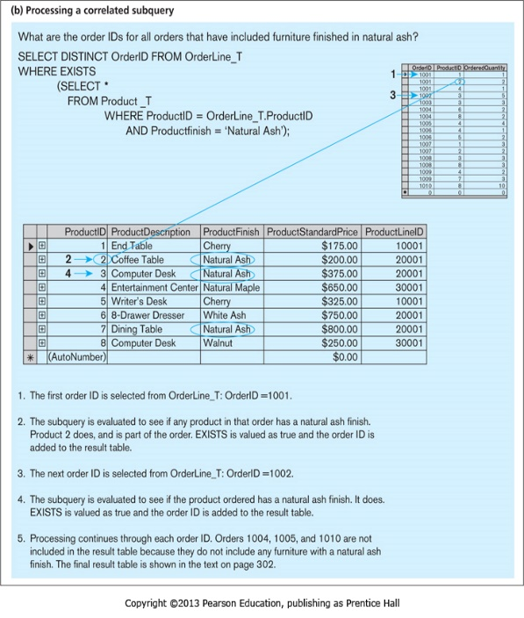

 |  | The subquery is executed for each order line in the outer query. The subquery
 |  | checks for each order line to see if the finish for the product on that order line is natural
 |  | ash. If this is true (EXISTS), the outer querydisplays the order ID for that order. The
 |  | outer query checks this one row at a tme for every row in the set of referenced rows
 |  | (the OrderLine_T table). There have been seven such orders, as the results shows.

 | List the details about the product with the highest standard price.
 |  | SELECT ProductDescription, ProductFinish, ProductStandardPrice
 |  | FROM Product_t PA
 |  | WHERE PA.ProductStandardPrice > ALL
 |  |  | (SELECT ProductStandardPrice FROM Product_t PB
 |  |  | WHERE PB.ProductID !=PA.ProductID);

Derived Tables
 | Show the product description, product standard price, and overall average standard price
 | for all products that have a standard price that is higher than the average standard price.
 | NOTE: We actually demonstrated this example in Lab 1.
 |  | SELECT ProductDescription, ProductStandardPrice,AvgPrice
 |  | FROM
 |  | (SELECT AVG(ProductStandardPrice) AvgPrice FROM Product_t) AS ProdAvg, Product_T
 |  | WHERE ProductStandardPrice > AvgPrice;

UNION (just an example)
 | The following query determines the customer(s) who has in a given line item purchased
 | the largest quantity of any Pine Valley product and the customer(s) who has in a given
 | line item purchased the smallest quantity and reutrns the result in one table.

 |  | SELECT C1.CustomerID, CustomerName,OrderedQuantity,'Largest Quantity' AS Quantity
 |  | FROM Customer_T C1, Order_T O1, OrderLine_T Q1
 |  |  | WHERE C1.CustomerID =O1.CustomerID
 |  |  | AND O1.OrderID = Q1.OrderID
 |  |  | AND OrderedQuantity =
 |  |  | (SELECT MAX(OrderedQuantity)
 |  |  | FROM OrderLine_T)
 |  | UNION
 |  | SELECT C1.CustomerID, CustomerName,OrderedQuantity,'SMallest Quantity' AS Quantity
 |  | FROM Customer_T C1, Order_T O1, OrderLine_T Q1
 |  |  | WHERE C1.CustomerID =O1.CustomerID
 |  |  | AND O1.OrderID = Q1.OrderID
 |  |  | AND OrderedQuantity =
 |  |  | (SELECT MIN(OrderedQuantity)
 |  |  | FROM OrderLine_T)
 |  | ORDER BY 3;

There is also INTERSECT and MINUS (Or DIFFERENCE OR EXCEPT)

Conditional Expressions
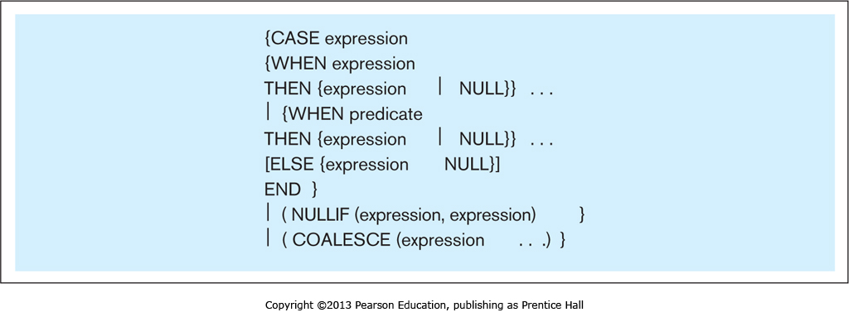

 | "What products are included in ProductLine 1?"
 |  | SELECT CASE
 |  |  | WHEN ProductLineID = 1 THEN ProductDescription
 |  |  | ELSE '####'
 |  | END AS ProductDescription
 |  | FROM Product_t;

More complicated SQL Queries

⬥ | For each salesperson, list his or her biggest-selling product.
 | Hint: You may find it helpful to first define a view, then query against that view.
 | ….right now, there is no SalesPersonID in Orders, so don't demo this until fixed.
 | use the BIG Version of PVFC for this query
 |  | CREATE VIEW Tsales AS
 |  |  | SELECT SalespersonName, ProductDescription,
 |  |  | SUM(OrderedQuantity) AS TotOrders
 |  |  | FROM Salesperson_T, OrderLine_T ,Product_T, Order_T
 |  |  | WHERE Salesperson_T.SalespersonID = Order_T.SalespersonID
 |  |  | AND Order_T.OrderID = Orderline_T.OrderID
 |  |  | AND orderLine_T.ProductID = Product_t.ProductID
 |  |  | GROUP BY SalespersonName,ProductDescription;

 |  | Next, we write a correlated subquery using the view:
 |  | SELECT SalespersonName,ProductDescription
 |  | FROM Tsales AS A
 |  |  | WHERE Totorders = (SELECT MAX(Totorders) FROM Tsales B
 |  |  |  | WHERE B.SalespersonName = A.SalespersonName);

⬥ | Write an SQL query to list all salespersons who work in the territory where the
 | most end tables have been sold.

 | ⬥ | First, you have to create a table to store the query results.
 |  | Create table TopTerritory;
 |  | Then, INSERT INTO TOPTERRITORY (SELECT…..)
 |  | Or, do it in one statement: CREATE TABLE TOPTERRITORY SELECT…

 |  | SELECT Territory_t.TerritoryID,
 |  |  | SUM(OrderedQuantity) AS TotSales
 |  | FROM Territory_t JOIN (Product_T JOIN
 |  |  | (((Customer_T JOIN DoesBusinessIn_T ON
 |  |  | Customer_T.CustomerID = DoesBusinessIn_t.CustomerID)
 |  |  | JOIN Order_t ON Customer_t.CustomerID =
 |  |  | Order_t.CustomerID) Join OrderLine_t ON
 |  |  | Order_T.OrderID=OrderLine_t.OrderID) ON
 |  |  | Product_t.ProductID = OrderLine_t.PRoductID) ON
 |  |  | Territory_t.TerritoryID = DoesBusinessIn_t.TerritoryID
 |  | WHERE ((ProductDescription)='End Table')
 |  | GROUP BY Territory_t.TerritoryID
 |  | ORDER BY TotSales DESC
 |  | LIMIT 1;

 | ⬥ | OR, you can use this:
 |  | SELECT Territory_t.TerritoryID,
 |  |  | SUM(OrderedQuantity) AS TotSales
 |  | FROM Territory_t, Customer_t, DoesBusinessIn_t, OrderLine_t, Order_t, Product_t
 |  | WHERE Customer_T.CustomerID = DoesBusinessIn_t.CustomerID
 |  | AND Order_T.OrderID=OrderLine_t.OrderID
 |  | AND Customer_t.CustomerID = Order_t.CustomerID
 |  | AND Product_t.ProductID = OrderLine_t.ProductID
 |  | AND Territory_t.TerritoryID = DoesBusinessIn_t.TerritoryID
 |  | AND ProductDescription = 'End Table'
 |  | GROUP BY Territory_t.TerritoryID
 |  | ORDER BY TotSales DESC
 |  | LIMIT 1;

 | ⬥ | THEN, pose a query against the new table (or you could have made it a view, whatever)
 |  | SELECT SalesPerson_T.SalesPersonID,SalesPersonName
 |  | FROM Territory_T JOIN SalesPerson_T ON
 |  |  | Territory_T.TerritoryID = SalesPerson_T.TerritoryID
 |  | WHERE SalesPerson_T.TerritoryID IN
 |  | (SELECT TerritoryID FROM TopTerritory);

